Exposure triangle
Nominal Correct Exposure for this example = 100iso,f8,1/400sec.
 | Exposure Triangle
 |  |  |  |  |  |  |  | ISO = Sensitivy value of the sensor
 |  |  |  |  |  |  |  |  | Higher value needs less
 |  |  |  |  |  |  |  |  | light but gives more noise

ISO |  |  |  |  |  | SHUTTER
100 | 1 |  |  |  | 1/ | 400 | 4 | Shutter value = The length of time shutter is open

 |  |  |  |  |  |  |  | Aperture = Size of the hole in the lens letting the light through
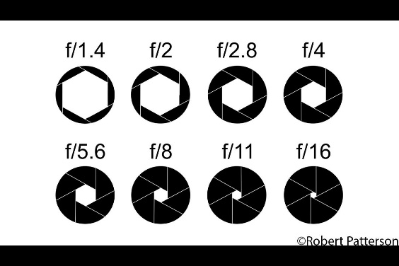

 |  |  | Aperture
 |  | f | 8 | 4

Correct Exposure
 |  | Exposure Value |  | 9

